1. geometry.AreaOfCircle
Introducing LAMBDA, with Very, Very Simple Examples
Our first couple of lambdas will derive the values for the areas of some plane shapes
We will first build the lambda in a cell, but it won't be called, so it will return #CALC!
Then we will build It in the cell, and call it.
Finally, we will build a defined name, and store the lambda there, and then we will call it from the name.

Sample Values | Sample Formula | Formula Text (Text of formula in cell of given address) | Comments / Notes
Developing a lambda |  | B8: =LAMBDA(radius,PI()*radius^2) | This builds a lambda, but it isn't called, so it returns the #CALC! error, The lambda provides for one argument, "radius" and a calculation that returns πr2
Calling it while defined in a cell | 28.274333882 | B9: =LAMBDA(radius,PI()*radius^2)(3) | This uses the same definition as the row above, but after the LAMBDA is defined, it is called by enclosing a value for its argument in parentheses, as you do with other function calls
Calling it from a defined name | 28.274333882 | B10: =geometry.AreaOfCircle(3) | We defined a name called geometry.AreaOfCircle and copied the formula from cell B10 into the defined name's refers to expression. Now it can be called as a formula
Enter the formula here → |  | #N/A | Try entering the formula shown in the row above. Note that when you type =geo the list of functions now includes our newly defined one and if you highlight it, the description from the name definition is shown, and when selected, the argument name "radius" is prompted for. Choose your own value for radius.

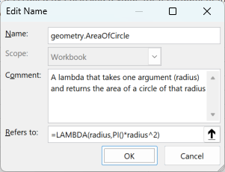

 |  |  | Note, a valid value will be returned for radii of negative value, since squaring them will return a positive result, however, a more robust solution may want to return an error or some value indicating the result is imaginary.

2. dates.FinancialYear
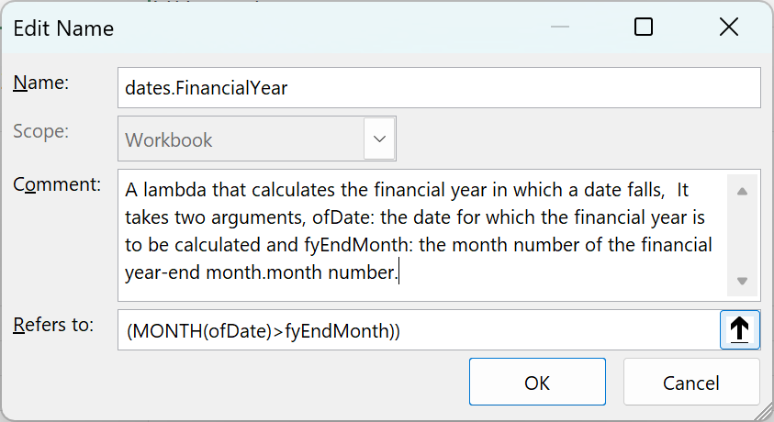
Introducing LAMBDA, with Very, Very Simple Examples
Our first couple of lambdas will derive the values for the areas of some plane shapes
We will first build the lambda in a cell, but it won't be called, so it will return #CALC!
Then we will build It in the cell, and call it.
Finally, we will build a defined name, and store the lambda there, and then we will call it from the name.

Sample Values | Sample Formula | Formula Text (Text of formula in cell of given address) | Comments / Notes
A date to calcuate on | 2023-11-11 |  | Enter any date
Financial Year Ending Month | 6 |  | Enter 1=January…12=December
Calculating the financial year, generally | 2024 | B10: =YEAR(B8)+(MONTH(B8)>B9) | This determines the calendar year of the date whose financial year is to be calcuated, and then, if the month of the date is after the financial year-end month number, adds one, as it is in the following finacnial year
Developing and calling as a lambda | 2024 | B11: =LAMBDA(ofDate,fyEndMonth,YEAR(ofDate)+(MONTH(ofDate)>fyEndMonth))(B8,B9) | Now we have developed a lambda that takes two arguments, the date called ofDate and the financial year-end month, called fyEndMonth.
Calling it from a defined name | 2024 | B12: =dates.FinancialYear(B8,B9) | We defined a name called dates.FinancialYear and copied the formula from cell B11 into the defined name's refers to expression. Now it can be called as a formula!
Enter the formula here → |  | #N/A | Try entering the formula shown in the row above. Note that when you type =dates the list of functions now includes our newly defined one and if you highlight it, the description from the name definition is shown, and when selected, the argument name "radius" is prompted for. CHoose your own value for radius.

